基本顧客資料
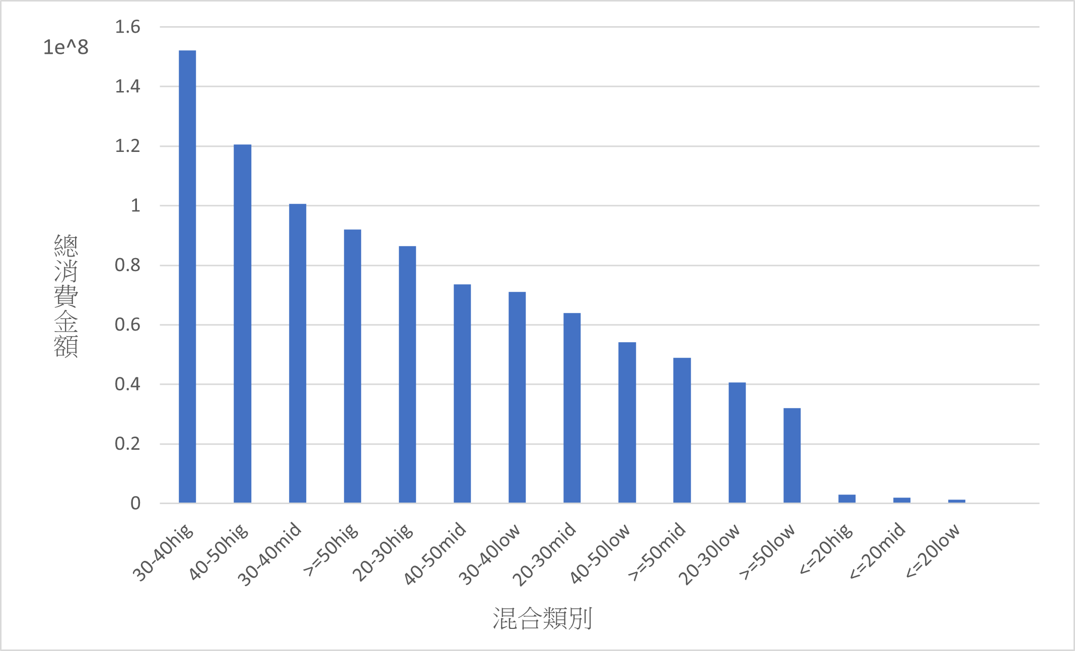
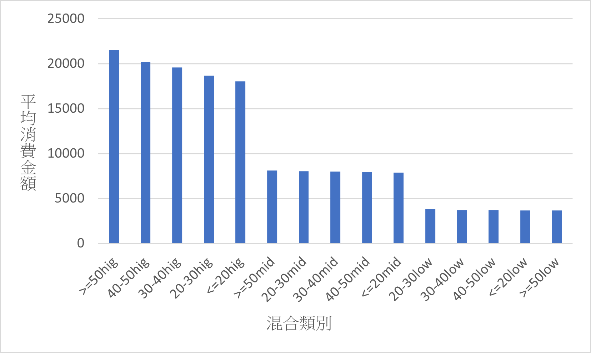
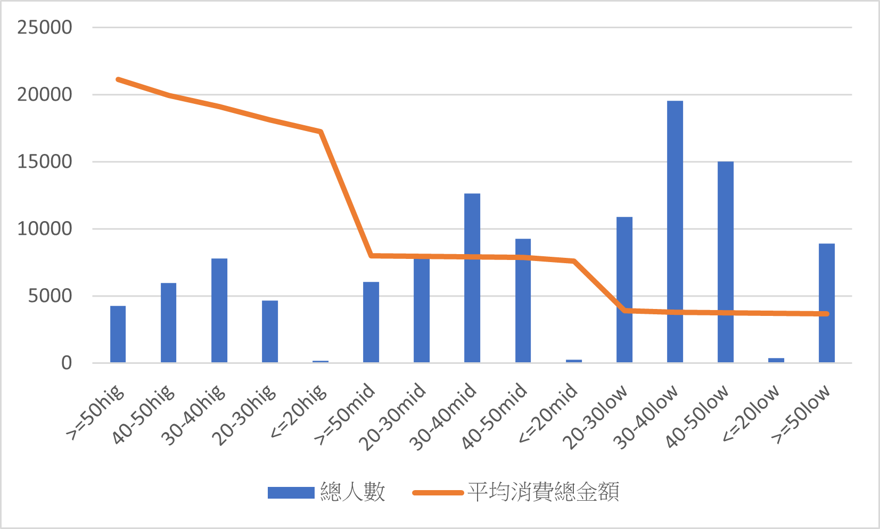
age | Qty | TotalPrice (每單銷售總金額) | TotalDiscount (每單折扣總金額) | TotalSalesAmount (每單總金額) | Avg Price (每樣商品平均金額) | Avg Sales (每樣商品平均願付金額) | 會員等級 | 總人數 | 平均年齡 | 平均每單消費金額 | 每樣商品平均消費金額 | mix_index | counts | TotalSalesAmount | average
<= 20 | 2.41 | 7475.93 | -1882.79 | 5593.14 | 3391.88 | 2583.73 | 10 (一般) | 715190 | 40.4 | 3093.44 | 2169.26 | >=50hig | 4275 | 92004611 | 21521.54643
20-30 | 2.2 | 6913.48 | -1767.93 | 5154.55 | 3444 | 2361.64 | 20 (中等) | 52394 | 39.3 | 5118.32 | 2570.37 | 40-50hig | 5969 | 120549129 | 20195.86681
30-40 | 2.23 | 6695.57 | -1720.18 | 4975.39 | 3261.2 | 2496.32 | 30 (高級) | 26200 | 39.9 | 6414.19 | 2586.9 | 30-40hig | 7777 | 152120912 | 19560.35901
40-50 | 2.24 | 6402.01 | -1639.91 | 4762.1 | 3051.42 | 2337.97 |  |  |  |  |  | 20-30hig | 4638 | 86468051 | 18643.39176
>= 50 | 2.26 | 6475.91 | -1700.95 | 4774.96 | 3018.28 | 2298.13 |  |  |  |  |  | <=20hig | 165 | 2975245 | 18031.78788
 |  |  |  |  |  |  |  |  |  |  |  | >=50mid | 6030 | 48941946 | 8116.408955
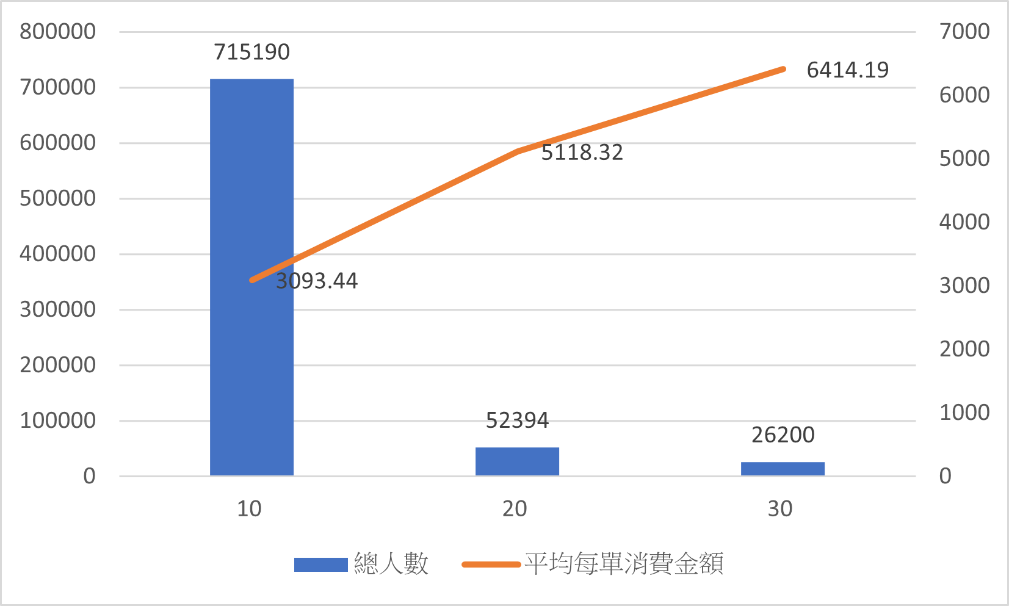
 |  |  |  |  |  |  |  |  |  |  |  | 20-30mid | 7958 | 63908554 | 8030.730586
 |  |  |  |  |  |  |  |  |  |  |  | 30-40mid | 12610 | 100646169 | 7981.456701
 |  |  |  |  |  |  |  |  |  |  |  | 40-50mid | 9257 | 73607196 | 7951.517338
 |  |  |  |  |  |  |  |  |  |  |  | <=20mid | 252 | 1978730 | 7852.103175
 |  |  |  |  |  |  |  |  |  |  |  | 20-30low | 10678 | 40610811 | 3803.222607
 |  |  |  |  |  |  |  |  |  |  |  | 30-40low | 19220 | 71115824 | 3700.094901
 |  |  |  |  |  |  |  |  |  |  |  | 40-50low | 14738 | 54229797 | 3679.589972
 |  |  |  |  |  |  |  |  |  |  |  | <=20low | 361 | 1327124 | 3676.243767
 |  |  |  |  |  |  |  |  |  |  |  | >=50low | 8753 | 32035978 | 3659.999772

